1.1_FD
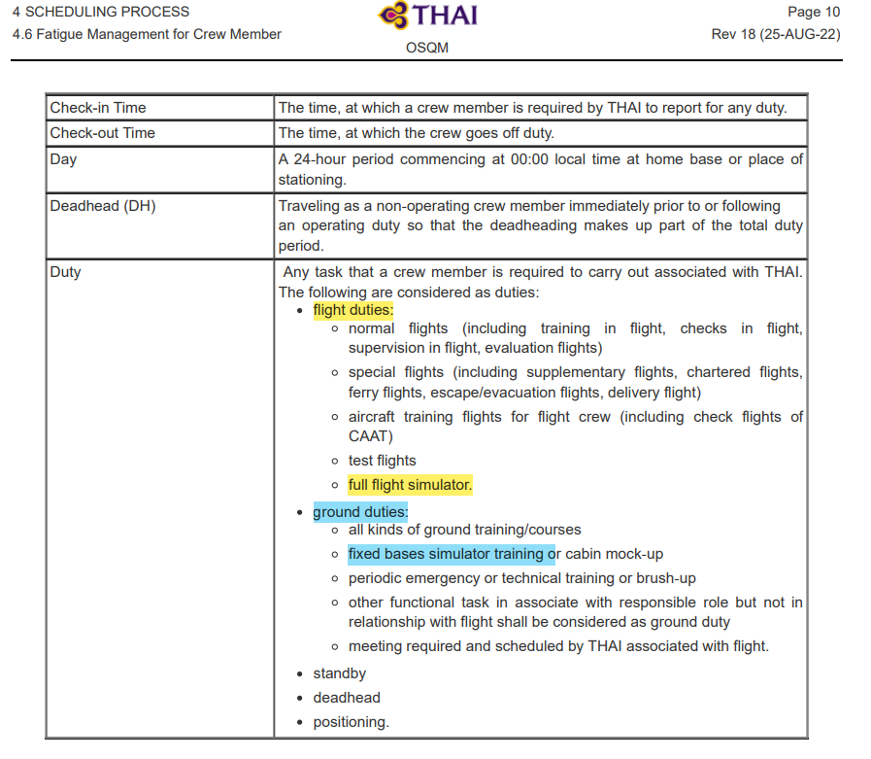
Unit Testing |  |  |  | Prerequisites |  |  |  |  | UAT Test 1 |  |  |  | UAT Test 2 |  |  |  | UAT Test 3
Test Case: | 1.Roster Rules |  |  | Tester User ID Level Set To: |  |  |  |  | Passed | 0 |  |  | Passed | 0 |  |  | Passed | 0
Test Description: |  |  |  | Access To: |  |  |  |  | Failed | 0 |  |  | Failed | 0 |  |  | Failed | 0
Created By: | Vorasrisipang Yodhabandhu |  |  | Access To: |  |  |  |  | Blocked | 0 |  |  | Blocked | 0 |  |  | Blocked | 0
Reviewed By: |  |  |  | Access To: |  |  |  |  | Partial Passed | 0 |  |  | Partial Passed | 0 |  |  | Partial Passed | 0
Software Version: |  |  |  | Access To: |  |  |  |  | W_A_D | 0 |  |  | W_A_D |  |  |  | W_A_D
WBS: |  |  |  | Access To:
 |  |  |  | Access To:
Testers Log:
Date Tested:
Testers Name:

Component: | REF: | LSY REF: | LSY RULE # | Description: | Test Action: | Test Steps: | Expected Result: | Severity | UAT 1 | Screenshot: REF1 | Comments/ Notes: 1 | Tested by: 1 | UAT 2 | Screenshot: REF2 | Comments/ Notes:2 | Tested by:2 | UAT 3 | Screenshot: REF3 | Comments/ Notes:3 | Tested by:3
Roster | OM-A C.7 |  |  | WOCL: The period between 02:00 and 05:59 hours in time zone crew is acclimatised. |  | Limit the number of "2" time for WOCL pairing in 1 calendar month. Assign a flight WOCL to the crew. | System shall show error message if over the limit. (DDMMMYY) "The number of WOCL duties in 1 calendar month shall not exceed 2 times." Change the rule type (Soft/Soft with override by password/Hard) Rules: Soft System allow to assign. Rules: Soft with override by password System require to override by password of DP-A Manager and can be assign. Rules: Hard System not allow to assign. | Severity : 1 Rules: Soft System allow to assign.
Roster | Additional Req. |  |  | Maximum N pairing for crew teams: - Maximum 1 number of N pairing for crew teams |  | 1. Setting maximum N flight for the specified crew team 2. Assign N flight in 1 calendar month for 1 pairing. 3. Assign N flight in 1 calendar month for 2 pairings. 4. Change the rule type (Soft/Soft with override by password/Hard) | System shall show error message; (DDMMMYY) "Maximum 1 number of N pairing for teams." If warning any other please note in the comment. Rules: Soft System allow to assign. Rules: Soft with override by password System require to override by password of DP-A Manager and can be assign. Rules: Hard System not allow to assign.

